Naming Standard
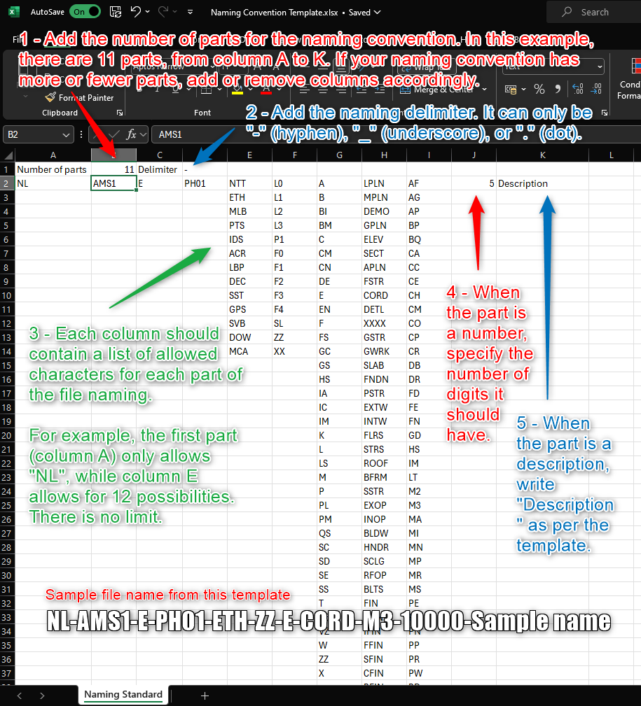
Number of parts | 11 | Delimiter | -
NL | AMS1 | E | PH01 | NTT | L0 | A | LPLN | AF | 5 | Description
 |  |  |  | ETH | L1 | B | MPLN | AG
 |  |  |  | MLB | L2 | BI | DEMO | AP
 |  |  |  | PTS | L3 | BM | GPLN | BP
 |  |  |  | IDS | P1 | C | ELEV | BQ
 |  |  |  | ACR | F0 | CM | SECT | CA
 |  |  |  | LBP | F1 | CN | APLN | CC
 |  |  |  | DEC | F2 | DE | FSTR | CE
 |  |  |  | SST | F3 | E | CORD | CH
 |  |  |  | GPS | F4 | EN | DETL | CM
 |  |  |  | SVB | SL | F | XXXX | CO
 |  |  |  | DOW | ZZ | FS | GSTR | CP
 |  |  |  | MCA | XX | GC | GWRK | CR
 |  |  |  |  |  | GS | SLAB | DB
 |  |  |  |  |  | HS | FNDN | DR
 |  |  |  |  |  | IA | PSTR | FD
 |  |  |  |  |  | IC | EXTW | FE
 |  |  |  |  |  | IM | INTW | FN
 |  |  |  |  |  | K | FLRS | GD
 |  |  |  |  |  | L | STRS | HS
 |  |  |  |  |  | LS | ROOF | IM
 |  |  |  |  |  | M | BFRM | LT
 |  |  |  |  |  | P | SSTR | M2
 |  |  |  |  |  | PL | EXOP | M3
 |  |  |  |  |  | PM | INOP | MA
 |  |  |  |  |  | QS | BLDW | MI
 |  |  |  |  |  | SC | HNDR | MN
 |  |  |  |  |  | SD | SCLG | MP
 |  |  |  |  |  | SE | RFOP | MR
 |  |  |  |  |  | SS | BLTS | MS
 |  |  |  |  |  | T | FIN | PE
 |  |  |  |  |  | TE | EFIN | PH
 |  |  |  |  |  | VZ | IFIN | PN
 |  |  |  |  |  | W | FFIN | PP
 |  |  |  |  |  | ZZ | SFIN | PR
 |  |  |  |  |  | X | CFIN | PW
 |  |  |  |  |  |  | RFIN | RD
 |  |  |  |  |  |  | RMDS | RG
 |  |  |  |  |  |  | MPSS | RI
 |  |  |  |  |  |  | HGEN | RP
 |  |  |  |  |  |  | DRDS | SA
 |  |  |  |  |  |  | WATR | SH
 |  |  |  |  |  |  | GASS | SK
 |  |  |  |  |  |  | COOL | SL
 |  |  |  |  |  |  | HEAT | SN
 |  |  |  |  |  |  | ATRS | SP
 |  |  |  |  |  |  | FSS | SU
 |  |  |  |  |  |  | FUEL | TS
 |  |  |  |  |  |  | SLCO | VS
 |  |  |  |  |  |  | SLME | CS
 |  |  |  |  |  |  | ESEQ
 |  |  |  |  |  |  | PGEN
 |  |  |  |  |  |  | POWR
 |  |  |  |  |  |  | LITE
 |  |  |  |  |  |  | COMM
 |  |  |  |  |  |  | ELPS
 |  |  |  |  |  |  | TRAN
 |  |  |  |  |  |  | BMSC
 |  |  |  |  |  |  | SECR
 |  |  |  |  |  |  | FDET
 |  |  |  |  |  |  | HVDI
 |  |  |  |  |  |  | LVDI
 |  |  |  |  |  |  | SLEL
 |  |  |  |  |  |  | LTNG
 |  |  |  |  |  |  | OTHR
 |  |  |  |  |  |  | INTR
 |  |  |  |  |  |  | VCAM
 |  |  |  |  |  |  | ACCS
 |  |  |  |  |  |  | ALRM
 |  |  |  |  |  |  | SIGN
 |  |  |  |  |  |  | FURN
 |  |  |  |  |  |  | CTRG
 |  |  |  |  |  |  | SANI
 |  |  |  |  |  |  | CLMF
 |  |  |  |  |  |  | STRF
 |  |  |  |  |  |  | EWRK
 |  |  |  |  |  |  | LAND
 |  |  |  |  |  |  | EXTS
 |  |  |  |  |  |  | FENC
 |  |  |  |  |  |  | PRFC
 |  |  |  |  |  |  | PRBR
 |  |  |  |  |  |  | ORGN
 |  |  |  |  |  |  | CNTR
 |  |  |  |  |  |  | PRGM
 |  |  |  |  |  |  | ESTM
 |  |  |  |  |  |  | PERM
 |  |  |  |  |  |  | STDY
 |  |  |  |  |  |  | RPOT
 |  |  |  |  |  |  | ELVI
 |  |  |  |  |  |  | BUSB
 |  |  |  |  |  |  | LKDE
 |  |  |  |  |  |  | CMEQ
 |  |  |  |  |  |  | CMDI

